List of functions
Linear Algebra in Excel: remember CTRL+SHIFT+ENTER! (not necessary in latest Excel versions)

Square matrix | M (3,3) | 2 | 5 | 9
 |  | 3 | 4 | 5
 |  | 7 | 8 | 2

Identity matrix | I (3,3) | 1 | 0 | 0
 |  | 0 | 1 | 0 | =MUNIT(3)
 |  | 0 | 0 | 1 | =MATR.UNIT(3)

Vector | V (3,1) | 4
 |  | 9
 |  | 3

Function | Plain notation | Result |  |  | Notes and function names in Italian and in English (check your version's language)

Matrix sum | M + I |  |  |  | only matrices with same dimensions can be summed

Matrix inverse | inv(M) |  |  |  | only square matrices can be inverted
 |  |  |  |  | =MINVERSE(M)
 |  |  |  |  | =MATR.INVERSA(M)

Matrix product | MV |  |  |  | matrix multiplication can be done only if first matrix has same columns of the rows of the second matrix
 |  |  |  |  | =MMULT(M,V)
 |  |  |  |  | =MATR.PRODOTTO(M;V)

$$\hat{V}$$
Diagonal matrix | diag(V) |  |  |  | to diagonalize, use scalar multiplication between the vector to be diagonalized and the identity matrix
 |  |  |  |  | =MUNIT(3)*V
 |  |  |  |  | =MATR.UNIT(3)*V

Transposed matrix | M' |  |  |  | rows becomes columns and vice-versa
 |  |  |  |  | =TRANSPOSE(M)
 |  |  |  |  | =MATR.TRASPOSTA(M)

Ex. 1
Knowing that we need 0.15 ton of steel and 1 k€ of goods and services to produce 1 car, how much is needed from the whole economy to produce 1000 of them? |  |  |  |  |  |  |  |  |  |  | exogenous variables
 |  |  |  |  |  |  |  |  |  |  | decision endogenous variables
 |  |  |  |  |  |  |  |  |  |  | derived endogenous variables
technologies |  |  | steel | goods & services |  | car production
 | environmental extensions
 |  | units | ton | k€ |  | 100 cars
Symbolic solution

 |  |  | z (2,2) |  |  | Y (2,1) |  | w (2,2) = inv(I-z) |  |  | X (2,1) = wY
steel |  | ton | ton/ton | ton/k€ |  | ton |  | ton/ton | ton/k€ |  | ton
goods & services |  | k€ | k€/ton | k€/k€ |  | k€ |  | k€/ton | k€/k€ |  | k€
 |  |  | r (1,2)
 | labour | pp | pp/ton | pp/k€

 |  |  | Z (2.2) = z diag(X)
steel |  | ton | ton | ton
goods & services |  | k€ | k€ | k€
 |  |  | R (1,2) = r diag(X)
 | labour | pp | pp | pp
 |  |  | f (1,2) = ew
 | labour | pp | pp/ton | pp/k€
 |  |  | F (1,2) = f diag(Y)
 | labour | pp | pp | pp

Numeric solution

 |  |  | z |  |  | Y |  | w |  |  | X
steel |  | ton | 0.07 | 0.05
goods & services |  | k€ | 1 | 0.2
 |  |  | e
 | labour | pp | 10 | 18

1. $w=I+z+zz+zzz+…=\sum_{t=0}^{+∞}{z^{t}={\left(I−z\right)}^{−1}}$
if we multiply by Y
2. $wY=\sum_{t=0}^{+∞}{z^{t}Y={\left(I−z\right)}^{−1}Y}=X$
1. Empirical demonstration

 |  |  | t=0 |  |  | t=1 |  |  | t=2 |  |  | t=3 |  |  | t=4 |  |  | t=5
1 |  |  | I |  |  | z |  |  | zz |  |  | zzz |  |  | zzzz |  |  | zzzzz |  |  | sum
steel |  |  | 1.00 | 0.00 | + | 0.07 | 0.05 | + | 0.05 | 0.01 | + | 0.02 | 0.01 | + | 0.01 | 0.00 | + | 0.01 | 0.00 | = | 1.16 | 0.07 | roughly = w
goods & services |  |  | 0.00 | 1.00 |  | 1.00 | 0.20 |  | 0.27 | 0.09 |  | 0.11 | 0.03 |  | 0.04 | 0.01 |  | 0.04 | 0.01 |  | 1.46 | 1.34

 |  |  | t=0 |  | t=1 |  | t=2 |  | t=3 |  | t=4 |  | t=5
2 |  |  | IY |  | zY |  | zzY |  | zzzY |  | zzzzY |  | zzzzzY |  | Column sum
steel |  |  | #VALUE! | + | #VALUE! | + | #VALUE! | + | #VALUE! | + | #VALUE! | + | #VALUE! | = | #VALUE! | roughly = X
goods & services |  |  | #VALUE! |  | #VALUE! |  | #VALUE! |  | #VALUE! |  | #VALUE! |  | #VALUE! |  | #VALUE!

2. Compute the total production and the total intermediate consumption of each sector of the economy.

 |  |  | Z |  |  | X
steel |  | ton
goods & services |  | k€

3. Compute the total sectoral demand of workers and the total embodiment of workers in the final demand.

 |  |  | Production-based accounting (PBA)
 |  |  | E |  |  | E_tot
 | labour | pp |  |  |  | 0.0

 |  |  | Consumption-based accounting (CBA)
 |  |  | f
 | labour | pp
 |  |  | F |  |  | F_tot
 | labour | pp |  |  |  | 0.0

Ex. 2
Let us consider a Technology-by-Technology Multi-Regional Input-Output Table (MRIO, defined in monetary units for year 2019), with two regions (EU27, Rest of the World), each defined by three technologies (Primary, Industry and Services sectors). It is requested to:

region |  |  |  | EU27 | EU27 | EU27 | RoW | RoW | RoW |  | EU27 | RoW |  |  |  | EU27 | EU27 | EU27 | RoW | RoW | RoW
 | technologies |  |  | Primary | Industry | Services | Primary | Industry | Services |  | Final demand | Final demand |  |  |  | Primary | Industry | Services | Primary | Industry | Services
 |  | value added & environmental extensions
 |  |  | units | M€ | M€ | M€ | M€ | M€ | M€
Symbolic solution
 |  |  |  | Z (6,6) |  |  |  |  |  |  | Y (6,2) |  | Y_tot (6,1) = sum(Y) | X (6,1) = Z*i(rt,1) + Y*i(rt,1)
EU27 | Primary |  | M€ | M€ | M€ | M€ | M€ | M€ | M€ |  | M€ | M€ | M€ | M€
EU27 | Industry |  | M€ | M€ | M€ | M€ | M€ | M€ | M€ |  | M€ | M€ | M€ | M€
EU27 | Services |  | M€ | M€ | M€ | M€ | M€ | M€ | M€ |  | M€ | M€ | M€ | M€
RoW | Primary |  | M€ | M€ | M€ | M€ | M€ | M€ | M€ |  | M€ | M€ | M€ | M€
RoW | Industry |  | M€ | M€ | M€ | M€ | M€ | M€ | M€ |  | M€ | M€ | M€ | M€
RoW | Services |  | M€ | M€ | M€ | M€ | M€ | M€ | M€ |  | M€ | M€ | M€ | M€
 |  |  |  | R (2,6) NOTE: sometimes this is a unique matrix, sometimes not. |  |  |  |  |  |  | R_Y (2,2) |  |  | Rtot (2,1) = R + R_Y
 | v | Value added | M€ | M€ | M€ | M€ | M€ | M€ | M€ |  | M€ | M€ |  | M€
 | e | CO2 emissions | ton | ton | ton | ton | ton | ton | ton |  | ton | ton |  | ton
 |  |  |  | z (6,6) = Z inv(diag(X)) |  |  |  |  |  |  | R_e_reg (6,2) = diag(r_e)*Y |  |  |  |  | w (6,6) = inv(I-z)
EU27 | Primary |  | M€ | M€/M€ | M€/M€ | M€/M€ | M€/M€ | M€/M€ | M€/M€ |  | ton | ton |  |  |  | M€/M€ | M€/M€ | M€/M€ | M€/M€ | M€/M€ | M€/M€
EU27 | Industry |  | M€ | M€/M€ | M€/M€ | M€/M€ | M€/M€ | M€/M€ | M€/M€ |  | ton | ton |  |  |  | M€/M€ | M€/M€ | M€/M€ | M€/M€ | M€/M€ | M€/M€
EU27 | Services |  | M€ | M€/M€ | M€/M€ | M€/M€ | M€/M€ | M€/M€ | M€/M€ |  | ton | ton |  |  |  | M€/M€ | M€/M€ | M€/M€ | M€/M€ | M€/M€ | M€/M€
RoW | Primary |  | M€ | M€/M€ | M€/M€ | M€/M€ | M€/M€ | M€/M€ | M€/M€ |  | ton | ton |  |  |  | M€/M€ | M€/M€ | M€/M€ | M€/M€ | M€/M€ | M€/M€
RoW | Industry |  | M€ | M€/M€ | M€/M€ | M€/M€ | M€/M€ | M€/M€ | M€/M€ |  | ton | ton |  |  |  | M€/M€ | M€/M€ | M€/M€ | M€/M€ | M€/M€ | M€/M€
RoW | Services |  | M€ | M€/M€ | M€/M€ | M€/M€ | M€/M€ | M€/M€ | M€/M€ |  | ton | ton |  |  |  | M€/M€ | M€/M€ | M€/M€ | M€/M€ | M€/M€ | M€/M€
 |  |  |  | r (2,6) = R inv(diag(X)) |  |  |  |  |  |  | F (1,2) = i(1,rt) F
 | v | Value added | M€ | M€/M€ | M€/M€ | M€/M€ | M€/M€ | M€/M€ | M€/M€ |  | ton | ton
 | e | CO2 emissions | ton | ton/M€ | ton/M€ | ton/M€ | ton/M€ | ton/M€ | ton/M€
 |  |  |  | p (1,6) = v w |  |  |  |  |  |  | E_reg (1,2) = i(1,rt) E
 | p | price index | M€ | M€/M€ | M€/M€ | M€/M€ | M€/M€ | M€/M€ | M€/M€ |  | ton | ton
 |  |  |  | f (1,6) = e w
 | f | CO2 emissions | ton | ton/M€ | ton/M€ | ton/M€ | ton/M€ | ton/M€ | ton/M€
 |  |  |  | F (1,6) = f diag(Y)
 | f | CO2 emissions | ton | ton | ton | ton | ton | ton | ton

Numeric solution

1. After calculating technical and environmental coefficients matrices, apply the appropriate Leontief models to determine price indices and CO2 footprints specific to the unit of technology activity (in €/€ and kg/€ respectively). Is the database representing a “balanced” economy?

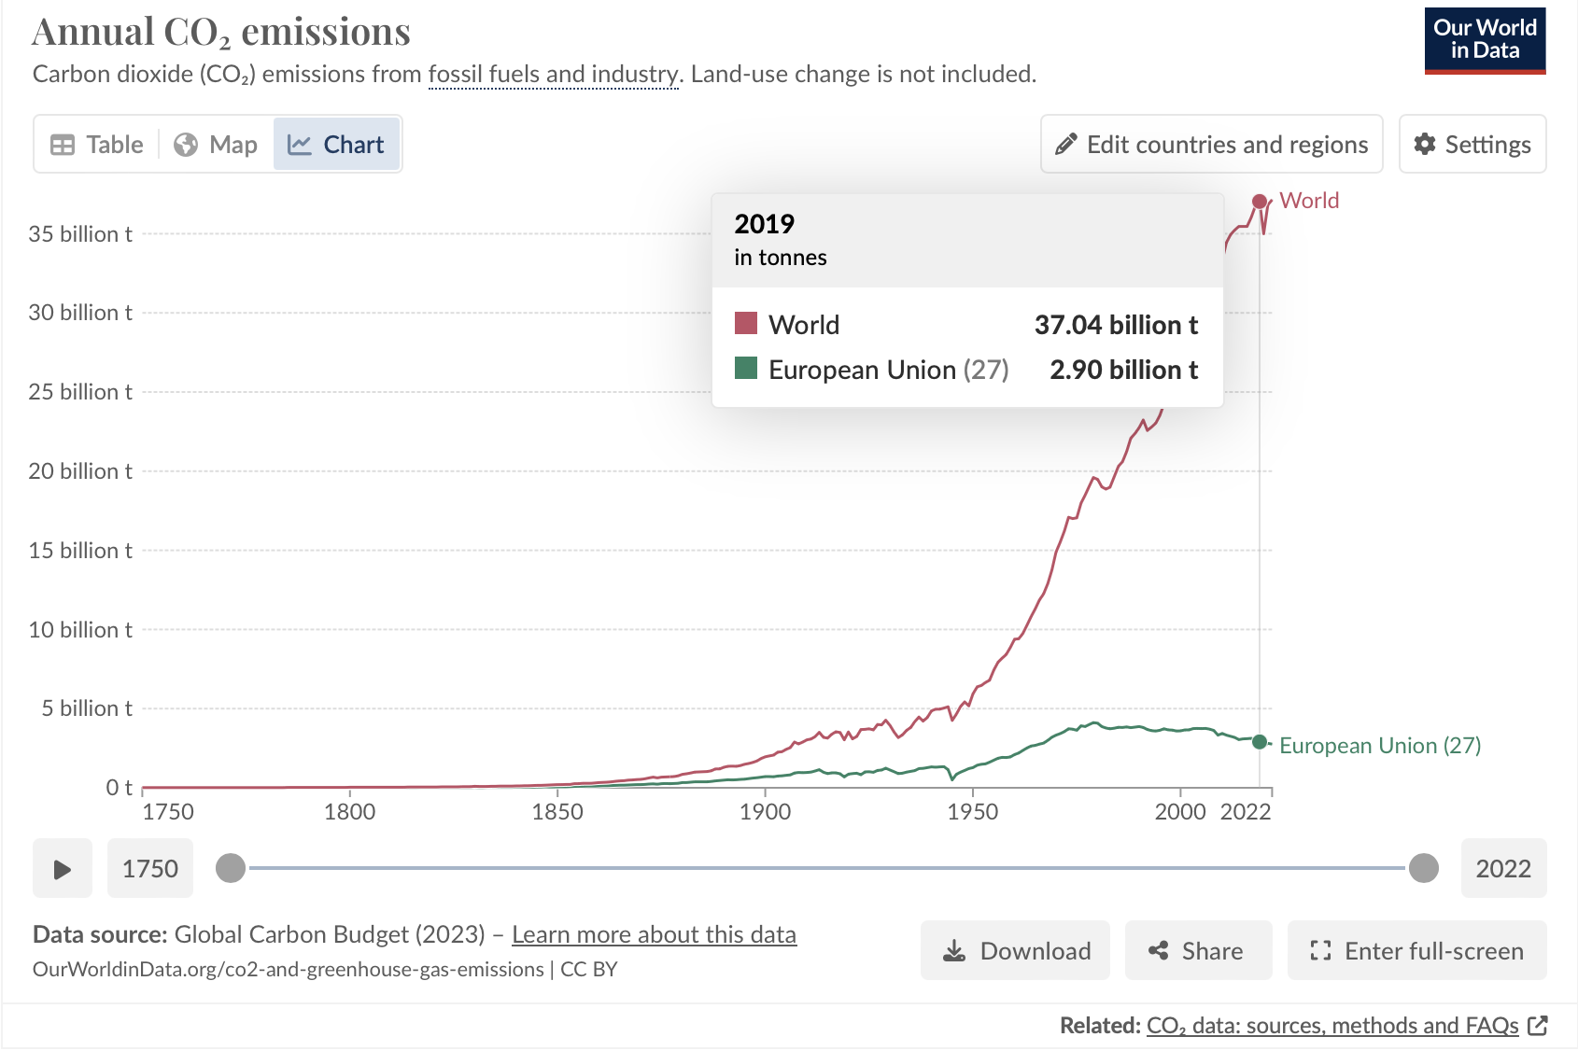
 |  |  |  |  |  |  |  |  |  |  |  |  |  |  |  |  | Check our data: CO2 (Gton)
 |  |  |  | Z |  |  |  |  |  |  | Y |  | Y_tot | X |  |  | year: 2019
EU27 | Primary |  | M€ | 54292 | 376990 | 38451 | 2955 | 39983 | 7395 |  | 232354 | 19714 | 252068 | 772134 |  |  |  |  | World | EU27 | RoW
EU27 | Industry |  | M€ | 136975 | 3910671 | 1156574 | 37766 | 705297 | 220730 |  | 4697827 | 986934 | 5684762 | 11852774 |  |  |  | data | 33.07 | 3.44 | 29.63
EU27 | Services |  | M€ | 144971 | 2395932 | 5313276 | 21620 | 129410 | 275425 |  | 10180229 | 318899 | 10499128 | 18779762 |  |  |  | Our World in Data | 37.04 | 2.9 | 34.14
RoW | Primary |  | M€ | 13330 | 240515 | 11527 | 757814 | 4537019 | 549702 |  | 81284 | 1960204 | 2041489 | 8151395
RoW | Industry |  | M€ | 16922 | 577655 | 152493 | 1011662 | 22200553 | 6163619 |  | 588385 | 21737840 | 22326225 | 52449129 |  |  |  | % err | -12.0% | 15.8% | -15.2%
RoW | Services |  | M€ | 5221 | 117913 | 254338 | 1335713 | 8833833 | 17168682 |  | 220533 | 37086792 | 37307325 | 65023024
 |  |  |  | R |  |  |  |  |  |  | R_Y |  |  | Rtot
 |  | Value added | M€ | 400424 | 4233098 | 11853104 | 4983865 | 16003034 | 40637471 |  | 0 | 0 |  | 78110997
 |  | CO2 emissions | ton | 180661 | 1737856 | 819251 | 2795038 | 19887557 | 3210803 |  | 704557 | 3735401 |  | 33071125
 |  |  |  | z |  |  |  |  |  |  |  |  |  |  |  | w
EU27 | Primary |  | M€ |  |  |  |  |  |  |  |  |  |  |  |  | 1.000 | 0.000 | 0.000 | 0.000 | 0.000 | 0.000
EU27 | Industry |  | M€ |  |  |  |  |  |  |  |  |  |  |  |  | 0.000 | 1.000 | 0.000 | 0.000 | 0.000 | 0.000
EU27 | Services |  | M€ |  |  |  |  |  |  |  |  |  |  |  |  | 0.000 | 0.000 | 1.000 | 0.000 | 0.000 | 0.000
RoW | Primary |  | M€ |  |  |  |  |  |  |  |  |  |  |  |  | 0.000 | 0.000 | 0.000 | 1.000 | 0.000 | 0.000
RoW | Industry |  | M€ |  |  |  |  |  |  |  |  |  |  |  |  | 0.000 | 0.000 | 0.000 | 0.000 | 1.000 | 0.000
RoW | Services |  | M€ |  |  |  |  |  |  |  |  |  |  |  |  | 0.000 | 0.000 | 0.000 | 0.000 | 0.000 | 1.000
 |  |  |  | r
 |  | Value added | M€ |  |  |  |  |  |  |  | production-based
 |  | CO2 emissions | ton
 |  |  |  | p
 |  | price index | M€ |  |  |  |  |  |  |  | consumption-based |  | all 1, balanced!
 |  |  |  | f
 |  | CO2 emissions | ton

 |  |  |  | f_ex_CO2 = diag(r_CO2) w
EU27 | Primary | CO2 emissions | ton | 0.000 | 0.000 | 0.000 | 0.000 | 0.000 | 0.000 |  | EXTRA: where the impact was originated?
EU27 | Industry | CO2 emissions | ton | 0.000 | 0.000 | 0.000 | 0.000 | 0.000 | 0.000
EU27 | Services | CO2 emissions | ton | 0.000 | 0.000 | 0.000 | 0.000 | 0.000 | 0.000
RoW | Primary | CO2 emissions | ton | 0.000 | 0.000 | 0.000 | 0.000 | 0.000 | 0.000
RoW | Industry | CO2 emissions | ton | 0.000 | 0.000 | 0.000 | 0.000 | 0.000 | 0.000
RoW | Services | CO2 emissions | ton | 0.000 | 0.000 | 0.000 | 0.000 | 0.000 | 0.000

 |  | CO2 emissions | ton | 0 | 0 | 0 | 0 | 0 | 0 |  | sum(r_e_ex_CO2) = r_e

2. Based on the carbon footprints previously computed, quantify for each region the overall CO2 emissions embedded in the final demand (domestic + imported demand).

 |  |  |  |  |  |  |  |  |  |  | F_reg |  |  | EU27 |  | RoW
EU27 | Primary | CO2 emissions | ton |  |  |  |  |  |  |  | 0.00E+00 | 0.00E+00 | EU27 | 0.00E+00 | + | 0.00E+00 | = | 0.00E+00
EU27 | Industry | CO2 emissions | ton |  |  |  |  |  |  |  | 0.00E+00 | 0.00E+00 |  | + |  | +
EU27 | Services | CO2 emissions | ton |  |  |  |  |  |  |  | 0.00E+00 | 0.00E+00 | RoW | 0.00E+00 | + | 0.00E+00 | = | 0.00E+00
RoW | Primary | CO2 emissions | ton |  |  |  |  |  |  |  | 0.00E+00 | 0.00E+00 |  | = |  | =
RoW | Industry | CO2 emissions | ton |  |  |  |  |  |  |  | 0.00E+00 | 0.00E+00 |  | 0.00E+00 |  | 0.00E+00
RoW | Services | CO2 emissions | ton |  |  |  |  |  |  |  | 0.00E+00 | 0.00E+00
 |  |  |  | F |  |  |  |  |  |  | F_tot
 |  | CO2 emissions | ton | #VALUE! | #VALUE! | #VALUE! | #VALUE! | #VALUE! | #VALUE! |  | 0.00E+00 | 0.00E+00 | CO2 embedded in final demand (domestic + imported products)

3. For each region, compare the CO2 emissions embedded in final demand with intermediate direct CO2 emissions. How much CO2 emissions are embodied in international trade? Which region can be defined as the “net carbon importer”?

 |  | CO2 emissions | ton |  |  |  |  |  |  | R_tot_reg | 2.74E+06 | 2.59E+07 | direct intermediate CO2 emissions

 |  | CO2 emissions | ton |  |  |  |  |  |  | delta | -2.74E+06 | -2.59E+07 | EU27 is a net carbon importer

